nftables_IN_OUT_FORW_NAT
sudo su
touch firewall_rules.nft
nano firewall_rules.nft
 | <ndung trong tab firewall_rules.nft>
sudo nft -f firewall_rules.nft |  |  | #Áp dụng file rules.nft

systemctl restart nftables
sudo nft -f firewall_rules.nft |  |  | #Cứ mỗi lần thay đổi cái gì trong file rules.nft or cúp máy

systemctl status nftables |  |  | #Hiện active là thành công

reload ftp
sudo systemctl restart vsftpd

 |  |  |  |  |  | ICMP, HTTP
INPUT |  | Ubuntu64bit |  |  |  |  | win7
 |  |  |  |  |  | INPUT

 | 192.168.182.144 |  |  |  |  | FTP, Telnet | 192.168.182.174

 |  |  |  |  |  |  | ping 192.168.182.144
 |  |  |  |  |  |  | 192.168.182.144/ |  | #dùng firefox riêng tư
 |  |  |  |  |  |  | ftp 192.168.182.144 21
 |  |  |  |  |  |  | telnet 192.168.182.144 23

 |  |  | FTP, Telnet
OUTPUT |  | Ubuntu64bit |  |  |  |  | U_64bit_LTS
 |  |  | OUTPUT

 | 192.168.182.144 |  |  |  | ICMP, HTTP |  | 192.168.182.170

 | ping 192.168.182.170
 | 192.168.182.170/ |  | #dùng firefox riêng tư |  |  |  | telnet 192.168.182.144 23
 | telnet 192.168.182.170 23 |  |  |  |  |  | ftp 192.168.182.144 21
 | ftp 192.168.182.170 21

FORWARD + NAT
 |  |  |  |  |  |  |  |  |  | Đây là card mạng thứ 2, phải cấu hình thêm ở VMWare
 |  |  |  | Ubuntu64 (forward+nat)
 |  |  |  | 192.168.182.144
 |  |  |  | 192.168.20.4
 |  |  |  | 192.168.255.29
 |  |  |  | 192.168.20.3
 |  |  |  | 192.168.225.29
 | Kali |  |  |  |  |  |  | Ubuntu32
 | 192.168.20.8 |  |  |  |  |  |  | 192.168.182.131
 | 192.168.255.58
 | 192.168.20.23
 | 192.168.225.71

Cấu hình web mặc định: |  |  |  |  |  |  |  | Mô tả ycbt:
curl 192.168.225.71 |  |  | "Day la web cua Kali" |  |  |  |  |  |  |  | Chưa FORWADING + NAT
curl 192.168.225.29 |  |  | "Day la web cua Ubuntu64bits" |  |  |  |  | Kali: curl 192.168.225.29 |  |  |  |  | "Day la web cua Ubuntu64bits"
curl 192.168.182.131 |  |  | "Day la web cua Ubuntu32bits"

 |  |  |  |  |  |  |  |  |  | Đã FORWADING + NAT |  |  | Day la web cua Ubuntu32bits

 |  |  |  |  |  | : thứ tự thực hiện
Ubuntu64
#Disable Uncomplicated Firewall, enable nftables
sudo su
sudo ufw disable
sudo systemctl disable ufw
sudo systemctl mask --now ufw
sudo apt install nftables
sudo systemctl enable nftables

#Bật IP Forwarding
sudo sysctl net.ipv4.ip_forward
 | |-> net.ipv4.ip_forward = 1 (đã bật)
 | |-> net.ipv4.ip_forward = 0 (chưa bật, làm tiếp bước ở dưới)
 |  | sudo sed -i 's/#net.ipv4.ip_forward=1/net.ipv4.ip_forward=1/g' /etc/sysctl.conf
 |  | sudo sysctl -p

#Check which rules are active on nftables
sudo nft list ruleset
 |  |  |  |  |  |  |  |  |  |  |  | Kali
 |  |  |  |  |  |  |  |  |  |  |  | curl 192.168.20.4

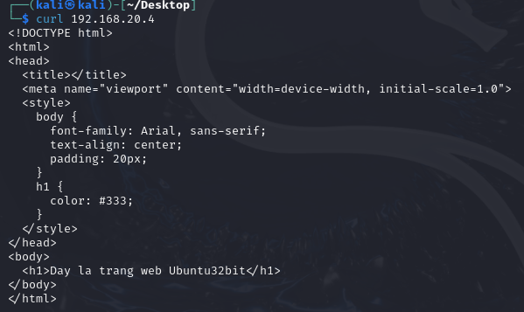
 |  |  |  |  |  |  |  |  |  |  |  |  | Kết quả gọi được curl bên Ubuntu 32bits

